combined_normalised
 | 2025 | 2024 | 2023 | 2022 | 2021 | 2020 | 2019 | 2018 | 2017 | 2016 | 2015 | 2014 | flattened
Adani Ports and Special Economic Zone Ltd | 0.53263486756 | 0.46250068797 | 0.36225631428 | 0.32013320848 | 0.3451701076 | 0.36225631428 | 0.37092244268 | 0.39743230704 | 0.31602718585 | 0.23760640649 | 0.23385891498 | 0.264284434 | 0.5326348676
Asian Paints Ltd | 0.9912920056 | 0.97412443112 | 0.97412443112 | 0.97412443112 | 1 | 1 | 0.96566173599 | 0.97412443112 | 0.96566173599 | 0.98266734256 | 0.94897106623 | 0.97412443112 | 0.462500688
AXIS Bank Ltd | 0.45744205292 | 0.3933567403 | 0.34215083049 | 0.36148087835 | 0.3956331497 | 0.44758765742 | 0.2370003656 | 0.3191961727 | 0.31441792236 | 0.37910111876 | 0.34640262679 | 0.36584644984 | 0.3622563143
Bajaj Finserv Ltd | 0.75884056172 | 0.77395206833 | 0.80116960777 | 0.88057596011 | 0.94512366141 | 0.87325644343 | 0.85031265609 | 1 | 1 | 1 | 1 | 1 | 0.3201332085
Bajaj Finance Ltd | 0.9183099302 | 0.90602275733 | 0.88057596011 | 0.91214063808 | 0.94512366141 | 0.87617549874 | 0.72593576977 | 0.96962453729 | 0.8253300074 | 0.74648098628 | 0.78162609056 | 0.72474494803 | 0.3451701076
Bharat Electronics Ltd | 0.31602718585 | 0.3451701076 | 0.35795429938 | 0.4340371516 | 0.48692685531 | 0.23385891498 | 0.29177629474 | 0.58629776383 | 0.53263486756 | 0.62585830163 | 0.54840093274 | 0.5069559109 | 0.3622563143
Bharti Airtel Ltd | 0.3451701076 | 0.20081475077 | 0.092260197084 | 0.036493726645 | 0 | 0.19363327525 | 0.13479627714 | 0.23385891498 | 0.19363327525 | 0.20081475077 | 0.11164310347 | 0.28779716947 | 0.3709224427
HCL Technologies Ltd | 1 | 1 | 1 | 0.97412443112 | 0.97412443112 | 0.94897106623 | 0.94897106623 | 1 | 1 | 1 | 1 | 1 | 0.397432307
HDFC Bank Ltd | 0.6043035725 | 0.52312671758 | 0.46408591222 | 0.48267276427 | 0.48267276427 | 0.45414253527 | 0.49562092075 | 0.35786262834 | 0.44595804201 | 0.45661578222 | 0.39944292182 | 0.27662532377 | 0.3160271858
Hindustan Unilever Ltd | 0.62585830163 | 0.62009936568 | 0.63748775858 | 0.64926923889 | 0.66723535691 | 0.15170616172 | 0.24514846229 | 0.23385891498 | 0.17592601788 | 0.26042459765 | 0.054701828939 | 0 | 0.2376064065
ICICI Bank Ltd | 0.37984455319 | 0.37613488667 | 0.47501208841 | 0.43705924891 | 0.42272631433 | 0.34285775538 | 0.36075580033 | 0.39791663969 | 0.43145203116 | 0.43225044499 | 0.41957886496 | 0.42430511374 | 0.233858915
Infosys Ltd | 0.67941487212 | 0.66723535691 | 0.62009936568 | 0.62585830163 | 0.70427908099 | 0.71060381157 | 0.8041527903 | 0.84006472861 | 0.86986150547 | 0.86231944967 | 0.86231944967 | 0.81834631843 | 0.264284434
ITC Ltd | 0.91648933792 | 0.9085485781 | 0.84006472861 | 0.83276695263 | 0.84006472861 | 0.85483998426 | 0.83276695263 | 0.84006472861 | 0.82552779395 | 0.71060381157 | 0.69799842554 | 0.68556691245 | 0.9912920056
Kotak Mahindra Bank Ltd | 0.82124765337 | 0.75635194429 | 0.80381516538 | 0.80381516538 | 0.78678703583 | 0.70711059879 | 0.65770017673 | 0.64691963879 | 0.61344870526 | 0.59726862464 | 0.62270919662 | 0.5765594338 | 0.9741244311
Larsen & Toubro Ltd | 0.264284434 | 0.26816087184 | 0.264284434 | 0.20081475077 | 0.12149315134 | 0.0098532528478 | 0.030505196908 | 0.1449040886 | 0.13815296783 | 0.039502979555 | 0.033494487905 | 0 | 0.9741244311
Mahindra & Mahindra Ltd | 0.17592601788 | 0.17943974712 | 0.17592601788 | 0.17242593422 | 0.2264103568 | 0.17943974712 | 0.25658122121 | 0.30382017654 | 0.25658122121 | 0.33256472157 | 0.34094869281 | 0.31193978469 | 0.9741244311
Maruti Suzuki India Ltd | 0.79017932575 | 0.74951361258 | 0.74951361258 | 0.76286601101 | 0.76961713178 | 0.81122161406 | 0.7832730053 | 0.76286601101 | 0.7561650849 | 0.71697324026 | 0.63748775858 | 0.59184406077 | 1
NTPC Ltd | 0.33674695835 | 0.29978764002 | 0.264284434 | 0.264284434 | 0.24514846229 | 0.23385891498 | 0.29177629474 | 0.3451701076 | 0.38407990861 | 0.42474562178 | 0.42013553291 | 0.53263486756 | 1
Power Grid Corporation of India Ltd | 0.23385891498 | 0.23012694108 | 0.19363327525 | 0.10838353243 | 0.076420239116 | 0 | 0 | 0 | 0 | 0 | 0 | 0 | 0.965661736
Reliance Industries Ltd | 0.71697324026 | 0.71697324026 | 0.69799842554 | 0.76286601101 | 0.7764192049 | 0.57530652506 | 0.54840093274 | 0.59184406077 | 0.54840093274 | 0.53785963819 | 0.55906697922 | 0.55906697922 | 0.9741244311
State Bank of India | 0.6043035725 | 0.5231267176 | 0.4640859122 | 0.4826727643 | 0.4826727643 | 0.4541425353 | 0.4956209207 | 0.3578626283 | 0.445958042 | 0.4566157822 | 0.3994429218 | 0.2766253238 | 0.965661736
Sun Pharmaceutical Industries Ltd | 0.81122161406 | 0.76286601101 | 0.7298487508 | 0.7298487508 | 0.7298487508 | 0.70427908099 | 0.72338800335 | 0.71697324026 | 0.76961713178 | 0.76961713178 | 0.71060381157 | 0.79017932575 | 0.9826673426
Tata Motors Ltd | 0.63748775858 | 0.33256472157 | 0 | 0 | 0.012774715404 | 0.17242593422 | 0.19721686013 | 0.48692685531 | 0.28383553492 | 0.5069559109 | 0.30382017654 | 0.47707680744 | 0.9489710662
Tata Steel Ltd | 0.41098550093 | 0.45291261446 | 0.51713986569 | 0.60304011046 | 0.35795429938 | 0.16893939057 | 0.24894329068 | 0.19721686013 | 0 | 0.054701828939 | 0 | 0.13479627714 | 0.9741244311
Tata Consultancy Services Ltd | 0.55371817771 | 0.56444771407 | 0.60869072715 | 0.61437699465 | 0.66120676982 | 0.71060381157 | 0.81834631843 | 0.81834631843 | 0.86986150547 | 0.84742207893 | 0.81834631843 | 0.81122161406 | 0.4574420529
Tech Mahindra Ltd | 1 | 0.97412443112 | 0.97412443112 | 0.97412443112 | 0.96566173599 | 0.93258388006 | 0.96566173599 | 0.94897106623 | 0.96566173599 | 0.96566173599 | 0.97412443112 | 1 | 0.3933567403
Titan Company Ltd | 0.17943974712 | 0.23760640649 | 0.58629776383 | 0.97412443112 | 0.61437699465 | 0.7561650849 | 0.7298487508 | 0.76961713178 | 0.69799842554 | 1 | 1 | 0.7764192049 | 0.3421508305
Trent Ltd | 0.94897106623 | 0.9245006832 | 0.86986150547 | 0.85483998426 | 1 | 0.91648933792 | 0.83276695263 | 0.82552779395 | 0.86986150547 | 0.96566173599 | 0.95727776475 | 0.76961713178 | 0.3614808784
UltraTech Cement Ltd | 0.76961713178 | 0.88513764083 | 0.87746720807 | 0.86231944967 | 0.72338800335 | 0.63165427279 | 0.46733324866 | 0.54311487413 | 0.7832730053 | 0.76286601101 | 0.72338800335 | 0.71697324026 | 0.3956331497
 |  |  |  |  |  |  |  |  |  |  |  |  | 0.4475876574
 |  |  |  |  |  |  |  |  |  |  |  |  | 0.2370003656
 |  |  |  |  |  |  |  |  |  |  |  |  | 0.3191961727
min | 0 |  |  |  |  |  |  |  |  |  |  |  | 0.3144179224
max | 1 |  |  |  |  |  |  |  |  |  |  |  | 0.3791011188
 |  |  |  |  |  |  |  |  |  |  |  |  | 0.3464026268
 |  |  |  |  |  |  |  |  |  |  |  |  | 0.3658464498
 |  |  |  |  |  |  |  |  |  |  |  |  | 0.7588405617
 |  |  |  |  |  |  |  |  |  |  |  |  | 0.7739520683
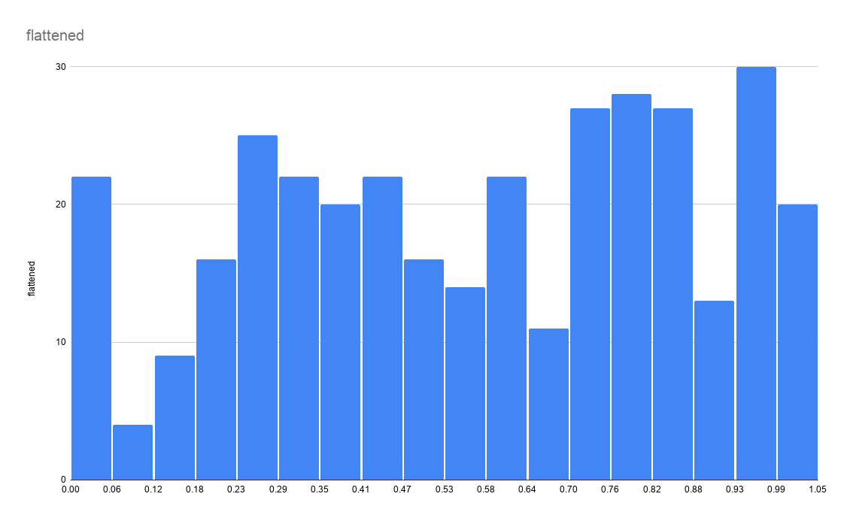
 |  |  |  |  |  |  |  |  |  |  |  |  | 0.8011696078
 |  |  |  |  |  |  |  |  |  |  |  |  | 0.8805759601
 |  |  |  |  |  |  |  |  |  |  |  |  | 0.9451236614
 |  |  |  |  |  |  |  |  |  |  |  |  | 0.8732564434
 |  |  |  |  |  |  |  |  |  |  |  |  | 0.8503126561
 |  |  |  |  |  |  |  |  |  |  |  |  | 1
 |  |  |  |  |  |  |  |  |  |  |  |  | 1
 |  |  |  |  |  |  |  |  |  |  |  |  | 1
 |  |  |  |  |  |  |  |  |  |  |  |  | 1
 |  |  |  |  |  |  |  |  |  |  |  |  | 1
 |  |  |  |  |  |  |  |  |  |  |  |  | 0.9183099302
 |  |  |  |  |  |  |  |  |  |  |  |  | 0.9060227573
 |  |  |  |  |  |  |  |  |  |  |  |  | 0.8805759601
 |  |  |  |  |  |  |  |  |  |  |  |  | 0.9121406381
 |  |  |  |  |  |  |  |  |  |  |  |  | 0.9451236614
 |  |  |  |  |  |  |  |  |  |  |  |  | 0.8761754987
 |  |  |  |  |  |  |  |  |  |  |  |  | 0.7259357698
 |  |  |  |  |  |  |  |  |  |  |  |  | 0.9696245373
 |  |  |  |  |  |  |  |  |  |  |  |  | 0.8253300074
 |  |  |  |  |  |  |  |  |  |  |  |  | 0.7464809863
 |  |  |  |  |  |  |  |  |  |  |  |  | 0.7816260906
 |  |  |  |  |  |  |  |  |  |  |  |  | 0.724744948
 |  |  |  |  |  |  |  |  |  |  |  |  | 0.3160271858
 |  |  |  |  |  |  |  |  |  |  |  |  | 0.3451701076
 |  |  |  |  |  |  |  |  |  |  |  |  | 0.3579542994
 |  |  |  |  |  |  |  |  |  |  |  |  | 0.4340371516
 |  |  |  |  |  |  |  |  |  |  |  |  | 0.4869268553
 |  |  |  |  |  |  |  |  |  |  |  |  | 0.233858915
 |  |  |  |  |  |  |  |  |  |  |  |  | 0.2917762947
 |  |  |  |  |  |  |  |  |  |  |  |  | 0.5862977638
 |  |  |  |  |  |  |  |  |  |  |  |  | 0.5326348676
 |  |  |  |  |  |  |  |  |  |  |  |  | 0.6258583016
 |  |  |  |  |  |  |  |  |  |  |  |  | 0.5484009327
 |  |  |  |  |  |  |  |  |  |  |  |  | 0.5069559109
 |  |  |  |  |  |  |  |  |  |  |  |  | 0.3451701076
 |  |  |  |  |  |  |  |  |  |  |  |  | 0.2008147508
 |  |  |  |  |  |  |  |  |  |  |  |  | 0.09226019708
 |  |  |  |  |  |  |  |  |  |  |  |  | 0.03649372664
 |  |  |  |  |  |  |  |  |  |  |  |  | 0
 |  |  |  |  |  |  |  |  |  |  |  |  | 0.1936332753
 |  |  |  |  |  |  |  |  |  |  |  |  | 0.1347962771
 |  |  |  |  |  |  |  |  |  |  |  |  | 0.233858915
 |  |  |  |  |  |  |  |  |  |  |  |  | 0.1936332753
 |  |  |  |  |  |  |  |  |  |  |  |  | 0.2008147508
 |  |  |  |  |  |  |  |  |  |  |  |  | 0.1116431035
...

